cooling and ventilation
Notes:
The amount spent on building components is given in 2010 dollar. We adjust 2010 dollars to 2012 dollars using the following conversion factor: 1.0529
1.0529

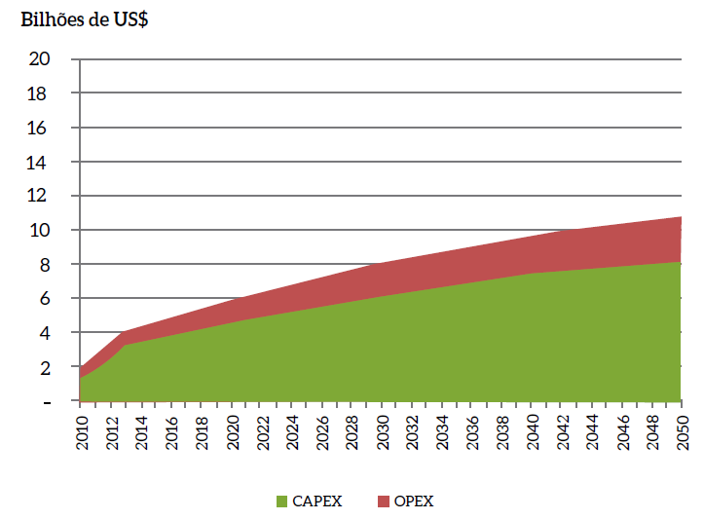
page 205 |  |  |  |  | page 209 |  |  |  |  |  |  |  |  |  |  | page 212 |  |  |  |  |  |  |  |  |  | page 228
Figure 131 - Air-conditioning Capex and Opex in the REF Scenario (2010-2050) |  |  |  |  | Figure 136 - Capex and Opex of the Refrigerator at Nominal Value in the REF Scenario (2010-2050) |  |  |  |  |  |  |  |  |  |  | Figure 141 - Freezer Capex and Opex at Nominal Value in the REF Scenario (2010-2050) |  |  |  |  |  |  |  |  |  | Figure 159 - Capex and Opex of Air Conditioning at Nominal Value in the REF Scenario in the Commercial and Services Sector (2010-2050)
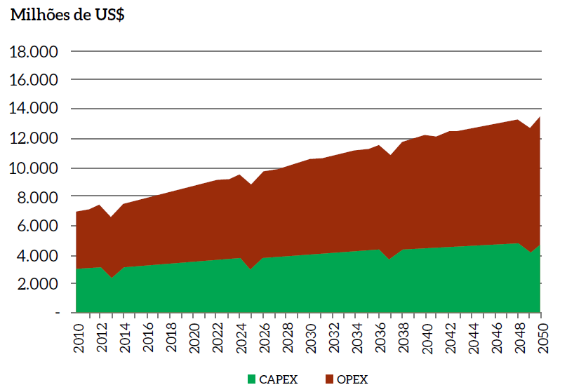
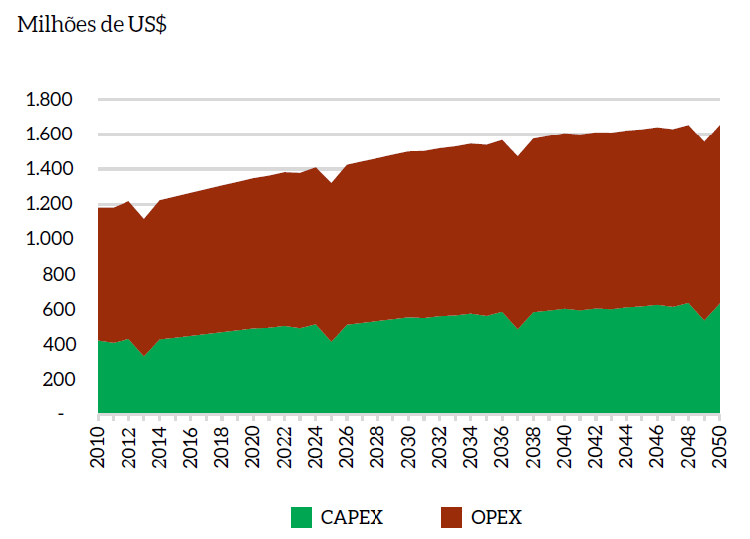
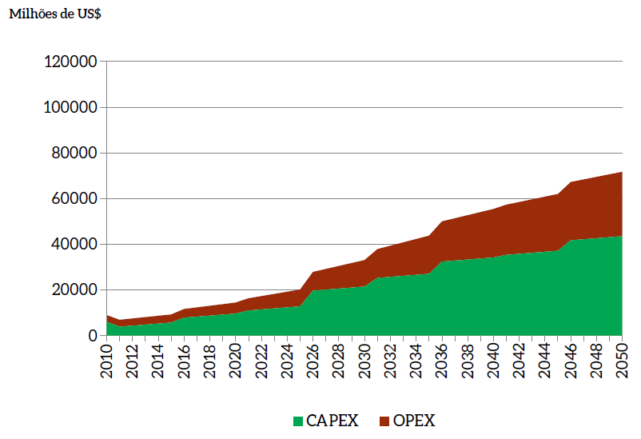

The table below is from the excel file that generated the results for buildings sector.
Residential
Freezer
CAPEX (MMUS$) | 2010 | 2011 | 2012 | 2013 | 2014 | 2015 | 2016 | 2017 | 2018 | 2019 | 2020 | 2021 | 2022 | 2023 | 2024 | 2025 | 2026 | 2027 | 2028 | 2029 | 2030 | 2031 | 2032 | 2033 | 2034 | 2035 | 2036 | 2037 | 2038 | 2039 | 2040 | 2041 | 2042 | 2043 | 2044 | 2045 | 2046 | 2047 | 2048 | 2049 | 2050
Southeast | 179 | 169 | 178 | 141 | 176 | 180 | 185 | 189 | 193 | 197 | 201 | 204 | 208 | 198 | 206 | 169 | 204 | 208 | 212 | 216 | 219 | 225 | 230 | 232 | 236 | 226 | 234 | 197 | 232 | 236 | 240 | 236 | 239 | 246 | 250 | 252 | 256 | 246 | 254 | 218 | 252
South | 125 | 117 | 130 | 99 | 123 | 126 | 129 | 132 | 135 | 138 | 141 | 143 | 146 | 137 | 150 | 119 | 143 | 146 | 149 | 152 | 155 | 158 | 161 | 163 | 166 | 157 | 170 | 139 | 163 | 166 | 169 | 166 | 169 | 172 | 175 | 177 | 180 | 171 | 184 | 153 | 177
Midwest | 35 | 38 | 36 | 28 | 41 | 42 | 43 | 44 | 45 | 46 | 47 | 47 | 48 | 52 | 50 | 42 | 55 | 57 | 58 | 59 | 61 | 53 | 54 | 54 | 55 | 59 | 57 | 49 | 62 | 64 | 65 | 65 | 66 | 58 | 59 | 60 | 61 | 64 | 62 | 54 | 67
North | 34 | 34 | 36 | 27 | 41 | 42 | 42 | 43 | 44 | 45 | 46 | 46 | 47 | 47 | 50 | 41 | 55 | 56 | 57 | 59 | 60 | 52 | 53 | 53 | 54 | 54 | 57 | 48 | 62 | 63 | 64 | 64 | 65 | 57 | 58 | 58 | 59 | 59 | 62 | 53 | 67
Northeast | 52 | 53 | 55 | 41 | 51 | 52 | 53 | 54 | 55 | 56 | 57 | 58 | 59 | 61 | 62 | 48 | 58 | 59 | 60 | 61 | 62 | 64 | 66 | 66 | 67 | 69 | 70 | 56 | 66 | 67 | 68 | 67 | 68 | 70 | 71 | 72 | 73 | 75 | 76 | 62 | 72
Total | 425 | 412 | 434 | 335 | 431 | 442 | 452 | 462 | 473 | 483 | 493 | 498 | 508 | 495 | 518 | 419 | 515 | 526 | 536 | 547 | 557 | 553 | 563 | 568 | 578 | 565 | 588 | 489 | 586 | 596 | 606 | 597 | 608 | 603 | 614 | 619 | 629 | 616 | 639 | 540 | 636

Fridge
CAPEX (MMUS $) | 2010 | 2011 | 2012 | 2013 | 2014 | 2015 | 2016 | 2017 | 2018 | 2019 | 2020 | 2021 | 2022 | 2023 | 2024 | 2025 | 2026 | 2027 | 2028 | 2029 | 2030 | 2031 | 2032 | 2033 | 2034 | 2035 | 2036 | 2037 | 2038 | 2039 | 2040 | 2041 | 2042 | 2043 | 2044 | 2045 | 2046 | 2047 | 2048 | 2049 | 2050
Southeast | 1405 | 1331 | 1396 | 1109 | 1384 | 2504 | 2563 | 2622 | 2681 | 2739 | 2797 | 4150 | 4233 | 4039 | 4202 | 3454 | 4161 | 4240 | 4319 | 4396 | 4470 | 4598 | 4682 | 4729 | 4812 | 4619 | 4781 | 4034 | 4740 | 4819 | 4899 | 4814 | 4889 | 5016 | 5101 | 5148 | 5231 | 5037 | 5200 | 4453 | 5159
South | 489 | 457 | 506 | 386 | 480 | 868 | 890 | 912 | 933 | 954 | 974 | 1449 | 1477 | 1392 | 1519 | 1208 | 1449 | 1477 | 1508 | 1539 | 1568 | 1603 | 1633 | 1649 | 1678 | 1593 | 1720 | 1409 | 1650 | 1678 | 1709 | 1683 | 1712 | 1747 | 1777 | 1793 | 1822 | 1737 | 1864 | 1553 | 1794
Midwest | 240 | 263 | 246 | 191 | 280 | 506 | 518 | 531 | 543 | 556 | 569 | 837 | 856 | 922 | 881 | 746 | 981 | 1007 | 1032 | 1059 | 1088 | 946 | 965 | 970 | 990 | 1056 | 1015 | 880 | 1115 | 1141 | 1166 | 1157 | 1186 | 1044 | 1063 | 1069 | 1088 | 1154 | 1114 | 978 | 1214
North | 199 | 209 | 225 | 167 | 252 | 455 | 465 | 475 | 486 | 496 | 507 | 760 | 777 | 808 | 857 | 708 | 939 | 963 | 987 | 1012 | 1039 | 901 | 918 | 922 | 940 | 972 | 1021 | 874 | 1106 | 1131 | 1155 | 1146 | 1174 | 1037 | 1054 | 1059 | 1078 | 1110 | 1161 | 1014 | 1246
Northeast | 736 | 784 | 811 | 608 | 756 | 1364 | 1392 | 1420 | 1449 | 1478 | 1508 | 2283 | 2329 | 2452 | 2522 | 1981 | 2372 | 2413 | 2452 | 2491 | 2531 | 2627 | 2673 | 2702 | 2749 | 2875 | 2947 | 2408 | 2801 | 2844 | 2885 | 2831 | 2872 | 2970 | 3017 | 3047 | 3096 | 3223 | 3297 | 2760 | 3153
Total | 3,069 | 3,044 | 3,183 | 2,460 | 3,151 | 5,696 | 5,828 | 5,960 | 6,092 | 6,223 | 6,355 | 9,478 | 9,672 | 9,614 | 9,981 | 8,098 | 9,902 | 10,100 | 10,298 | 10,497 | 10,695 | 10,674 | 10,872 | 10,972 | 11,169 | 11,114 | 11,485 | 9,604 | 11,412 | 11,613 | 11,815 | 11,632 | 11,832 | 11,814 | 12,013 | 12,116 | 12,315 | 12,262 | 12,635 | 10,758 | 12,567

AC
CAPEX (MMUS $) | 2010 | 2011 | 2012 | 2013 | 2014 | 2015 | 2016 | 2017 | 2018 | 2019 | 2020 | 2021 | 2022 | 2023 | 2024 | 2025 | 2026 | 2027 | 2028 | 2029 | 2030 | 2031 | 2032 | 2033 | 2034 | 2035 | 2036 | 2037 | 2038 | 2039 | 2040 | 2041 | 2042 | 2043 | 2044 | 2045 | 2046 | 2047 | 2048 | 2049 | 2050
Southeast | 374 | 513 | 651 | 1101 | 1362 | 1419 | 1478 | 1540 | 1604 | 1671 | 1741 | 1793 | 1944 | 2003 | 2063 | 2124 | 2188 | 2254 | 2321 | 2391 | 2463 | 2512 | 2562 | 2614 | 2666 | 2719 | 2774 | 2829 | 2886 | 2943 | 3002 | 3032 | 3063 | 3093 | 3124 | 3155 | 3187 | 3219 | 3251 | 3283 | 3316
South | 368 | 505 | 641 | 585 | 573 | 597 | 622 | 648 | 675 | 704 | 733 | 755 | 778 | 801 | 825 | 850 | 875 | 902 | 929 | 956 | 985 | 1005 | 1025 | 1045 | 1066 | 1088 | 1109 | 1132 | 1154 | 1177 | 1201 | 1213 | 1225 | 1237 | 1250 | 1262 | 1275 | 1287 | 1300 | 1313 | 1327
Midwest | 103 | 141 | 179 | 722 | 394 | 411 | 428 | 446 | 464 | 484 | 504 | 519 | 486 | 501 | 516 | 531 | 547 | 563 | 580 | 598 | 616 | 628 | 641 | 653 | 666 | 680 | 693 | 707 | 721 | 736 | 751 | 758 | 766 | 773 | 781 | 789 | 797 | 805 | 813 | 821 | 829
North | 175 | 240 | 305 | 413 | 323 | 336 | 350 | 365 | 380 | 396 | 412 | 425 | 389 | 401 | 413 | 425 | 438 | 451 | 464 | 478 | 493 | 502 | 512 | 523 | 533 | 544 | 555 | 566 | 577 | 589 | 600 | 606 | 613 | 619 | 625 | 631 | 637 | 644 | 650 | 657 | 663
Northeast | 479 | 657 | 834 | 619 | 932 | 971 | 1011 | 1054 | 1098 | 1143 | 1191 | 1227 | 1264 | 1302 | 1341 | 1381 | 1422 | 1465 | 1509 | 1554 | 1601 | 1633 | 1666 | 1699 | 1733 | 1767 | 1803 | 1839 | 1876 | 1913 | 1951 | 1971 | 1991 | 2011 | 2031 | 2051 | 2071 | 2092 | 2113 | 2134 | 2156
Total | 1,500 | 2,055 | 2,610 | 3,440 | 3,584 | 3,734 | 3,890 | 4,052 | 4,221 | 4,398 | 4,581 | 4,719 | 4,860 | 5,006 | 5,156 | 5,311 | 5,470 | 5,635 | 5,804 | 5,978 | 6,157 | 6,280 | 6,406 | 6,534 | 6,665 | 6,798 | 6,934 | 7,073 | 7,214 | 7,358 | 7,505 | 7,580 | 7,656 | 7,733 | 7,810 | 7,888 | 7,967 | 8,047 | 8,127 | 8,209 | 8,291

Commercial
AC
CAPEX (MMUS $) | 2010 | 2011 | 2012 | 2013 | 2014 | 2015 | 2016 | 2017 | 2018 | 2019 | 2020 | 2021 | 2022 | 2023 | 2024 | 2025 | 2026 | 2027 | 2028 | 2029 | 2030 | 2031 | 2032 | 2033 | 2034 | 2035 | 2036 | 2037 | 2038 | 2039 | 2040 | 2041 | 2042 | 2043 | 2044 | 2045 | 2046 | 2047 | 2048 | 2049 | 2050
Malls | 27 | 28 | 30 | 33 | 35 | 37 | 34 | 36 | 38 | 40 | 43 | 59 | 61 | 63 | 65 | 67 | 84 | 86 | 88 | 90 | 92 | 116 | 118 | 120 | 122 | 124 | 132 | 134 | 136 | 138 | 140 | 152 | 154 | 156 | 158 | 161 | 167 | 169 | 171 | 173 | 175
Hospitals | 57 | 42 | 46 | 50 | 55 | 59 | 80 | 84 | 88 | 93 | 97 | 121 | 125 | 129 | 134 | 138 | 214 | 218 | 223 | 227 | 231 | 288 | 293 | 297 | 301 | 305 | 371 | 375 | 380 | 384 | 388 | 420 | 425 | 429 | 433 | 437 | 498 | 502 | 507 | 511 | 515
Schools | 1261 | 975 | 1068 | 1161 | 1255 | 1348 | 1865 | 1958 | 2051 | 2145 | 2238 | 2956 | 3049 | 3143 | 3236 | 3330 | 5328 | 5422 | 5515 | 5608 | 5702 | 7476 | 7569 | 7662 | 7756 | 7849 | 9843 | 9936 | 10029 | 10123 | 10216 | 11567 | 11660 | 11754 | 11847 | 11940 | 14002 | 14095 | 14189 | 14282 | 14376
Universities | 142 | 110 | 120 | 131 | 141 | 152 | 210 | 220 | 231 | 241 | 252 | 332 | 343 | 353 | 364 | 374 | 599 | 610 | 620 | 631 | 641 | 841 | 851 | 862 | 872 | 883 | 1107 | 1118 | 1128 | 1139 | 1149 | 1301 | 1311 | 1322 | 1332 | 1343 | 1575 | 1585 | 1596 | 1606 | 1617
Trade | 3638 | 2152 | 2422 | 2691 | 2961 | 3230 | 4459 | 4728 | 4998 | 5267 | 5537 | 5904 | 6173 | 6443 | 6712 | 6982 | 10547 | 10816 | 11086 | 11355 | 11625 | 12884 | 13153 | 13423 | 13692 | 13962 | 16296 | 16566 | 16835 | 17105 | 17374 | 16944 | 17214 | 17483 | 17753 | 18022 | 19705 | 19975 | 20244 | 20514 | 20783
Information services | 342 | 215 | 241 | 266 | 291 | 317 | 443 | 468 | 494 | 519 | 544 | 625 | 650 | 675 | 701 | 726 | 1124 | 1150 | 1175 | 1200 | 1226 | 1441 | 1466 | 1492 | 1517 | 1542 | 1840 | 1866 | 1891 | 1916 | 1942 | 1987 | 2013 | 2038 | 2064 | 2089 | 2322 | 2347 | 2373 | 2398 | 2423
Financial intermediation and insurance | 58 | 38 | 43 | 47 | 51 | 55 | 79 | 83 | 88 | 92 | 96 | 113 | 118 | 122 | 126 | 131 | 205 | 209 | 214 | 218 | 222 | 267 | 271 | 275 | 280 | 284 | 343 | 347 | 352 | 356 | 360 | 375 | 380 | 384 | 388 | 393 | 441 | 446 | 450 | 454 | 459
Real Estate Services & Rental | 121 | 59 | 68 | 77 | 86 | 95 | 130 | 139 | 148 | 157 | 166 | 150 | 159 | 168 | 177 | 186 | 280 | 289 | 298 | 307 | 316 | 320 | 329 | 338 | 347 | 356 | 420 | 429 | 438 | 447 | 455 | 422 | 431 | 440 | 449 | 458 | 511 | 520 | 529 | 538 | 547
Maintenance and repair services | 19 | 11 | 12 | 14 | 15 | 16 | 23 | 25 | 26 | 28 | 29 | 31 | 32 | 33 | 35 | 36 | 55 | 57 | 58 | 59 | 61 | 67 | 68 | 69 | 71 | 72 | 84 | 86 | 87 | 89 | 90 | 86 | 88 | 89 | 91 | 92 | 100 | 101 | 103 | 104 | 106
Accommodation and food services | 109 | 66 | 74 | 82 | 90 | 98 | 141 | 149 | 157 | 165 | 173 | 197 | 205 | 213 | 221 | 229 | 359 | 367 | 375 | 383 | 391 | 458 | 466 | 474 | 482 | 490 | 587 | 595 | 603 | 611 | 619 | 629 | 638 | 646 | 654 | 662 | 735 | 743 | 751 | 759 | 768
Business Services | 111 | 62 | 70 | 78 | 86 | 95 | 127 | 136 | 144 | 152 | 160 | 166 | 174 | 182 | 190 | 199 | 296 | 304 | 312 | 321 | 329 | 357 | 365 | 374 | 382 | 390 | 450 | 458 | 467 | 475 | 483 | 462 | 470 | 478 | 487 | 495 | 535 | 543 | 552 | 560 | 568
Other services | 24 | 13 | 15 | 16 | 18 | 20 | 27 | 28 | 30 | 32 | 34 | 33 | 35 | 37 | 38 | 40 | 60 | 61 | 63 | 65 | 67 | 70 | 72 | 74 | 76 | 77 | 90 | 91 | 93 | 95 | 97 | 91 | 93 | 95 | 96 | 98 | 107 | 109 | 110 | 112 | 114
Public administration and social security | 154 | 112 | 123 | 134 | 146 | 157 | 198 | 209 | 221 | 232 | 244 | 296 | 307 | 318 | 330 | 341 | 502 | 513 | 525 | 536 | 547 | 655 | 666 | 678 | 689 | 701 | 812 | 823 | 834 | 846 | 857 | 888 | 899 | 911 | 922 | 934 | 1016 | 1027 | 1039 | 1050 | 1062
TOTAL | 6065 | 3881 | 4331 | 4780 | 5229 | 5678 | 7815 | 8265 | 8714 | 9163 | 9612 | 10982 | 11431 | 11880 | 12330 | 12779 | 19653 | 20102 | 20551 | 21001 | 21450 | 25240 | 25689 | 26138 | 26587 | 27037 | 32374 | 32824 | 33273 | 33722 | 34171 | 35326 | 35775 | 36225 | 36674 | 37123 | 41714 | 42163 | 42612 | 43062 | 43511

